Simple
y-plot with generalized line
 | Graph Values
 | X | y | Plot | X.y | X^2
 | 1 | 1.50 | 1.91 | 1.50 | 1
 | 2 | 3.30 | 4.06 | 6.60 | 4
 | 3 | 6.50 | 6.20 | 19.50 | 9
 | 4 | 9.50 | 8.34 | 38.00 | 16
 | 5 | 11.60 | 10.49 | 58.00 | 25
 | 6 | 12.00 | 12.63 | 72.00 | 36
 | 7 | 14.00 | 14.77 | 98.00 | 49
Sums | 28 | 58.4 | 59.77 | 293.6 | 140

 | Equation | y = b * x + a

 | a = | -0.228571 |  | b = | 2.1428571
 | (y-intercept) |  |  | (slope)

 | Final Equation = |  |  | y = 2.1429 * x + (-0.22858)

House_Price_Raw
y-plot with generalized line
 |  | Trendline
 | 325,000 | 315,050.00
 | 340,000 | 341,300.00
 | 365,000
 | 385,000
 | 425,000
 | 455,000
 | 510,000
 | House Prices Data
 | Sq. ft | Price | Approx. Line | Area x Price | Area ^ 2
 | 1500 | 325,000 | 315,050.00
 | 1625 | 340,000 | 341,300.00
 | 1700 | 365,000
 | 1710 | 385,000
 | 1850 | 425,000
 | 1930 | 455,000
 | 2010 | 510,000
Sums | 12,325 | 2,805,000 | 2,588,300

 | Equation | y = w0 + w1 * x

 | w0 = | 50.00 |  | w1 = | 210.00
 | (y-intercept) |  |  | (slope)

 | Value = | y = 210 * x + (50)

House_Prices
y-plot with generalized line
 | House Prices Data
 | Sq. ft | Price | Fit Line | Area x Price | Area ^ 2
 | 1500 | 325,000 | 305,992.67 | 487,500,000 | 2,250,000
 | 1625 | 340,000 | 351,407.14 | 552,500,000 | 2,640,625
 | 1700 | 365,000 | 378,655.83 | 620,500,000 | 2,890,000
 | 1710 | 385,000 | 382,288.98 | 658,350,000 | 2,924,100
 | 1850 | 425,000 | 433,153.20 | 786,250,000 | 3,422,500
 | 1930 | 455,000 | 462,218.46 | 878,150,000 | 3,724,900
 | 2010 | 510,000 | 491,283.72 | 1,025,100,000 | 4,040,100
Sums | 12,325 | 2,805,000 | 4,238,886 | 5,008,350,000 | 21,892,225

 | Equation | y = b * x + a

 | a = | -238,981.03 |  | b = | 363.32
 | (y-intercept) |  |  | (slope)

 | Final Equation = |  |  | y = 363.3158 * x + (-238981.02542)

Bill & Tips
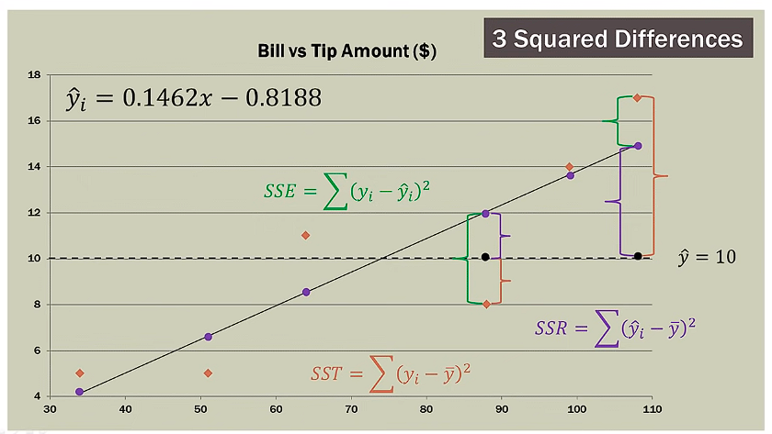
Bills and Tips Regression
Meal | Bill | Tips | Bill Deviation | Tips Deviation | Deviation Products | Deviations Squared | Predicted Amount | Error | Squared Error
 | (x) | (y) | (x - xmean) | (y - ymean) | (product) | (x - xmean)^2 | yi = b * x + b0 | y - yi | (y - yi)^2
1 | 34.00 | 5.00 | -40.00 | -5.00 | 200.00 | 1,600.00 | 4.15 | 0.85 | 0.72
2 | 108.00 | 17.00 | 34.00 | 7.00 | 238.00 | 1,156.00 | 14.97 | 2.03 | 4.11
3 | 64.00 | 11.00 | -10.00 | 1.00 | -10.00 | 100.00 | 8.54 | 2.46 | 6.06
4 | 88.00 | 8.00 | 14.00 | -2.00 | -28.00 | 196.00 | 12.05 | -4.05 | 16.38
5 | 99.00 | 14.00 | 25.00 | 4.00 | 100.00 | 625.00 | 13.66 | 0.34 | 0.12
6 | 51.00 | 5.00 | -23.00 | -5.00 | 115.00 | 529.00 | 6.64 | -1.64 | 2.68
Mean | 74.00 | 10.00 |  | Sum -> | 615.00 | 4,206.00 |  | SSE -> | 30.07
Tips vs Pred. Tips
b = | 0.1462 |  | b0 = | -0.82026

Reference
